Cover

Huawei Technologies Co., Ltd.

 | ZAIN DR Project (ATB)

 | Regions IP RAN LLD

 | LLD V1.9

 | Oct 2025

 | Huawei Technologies

Logical Topology
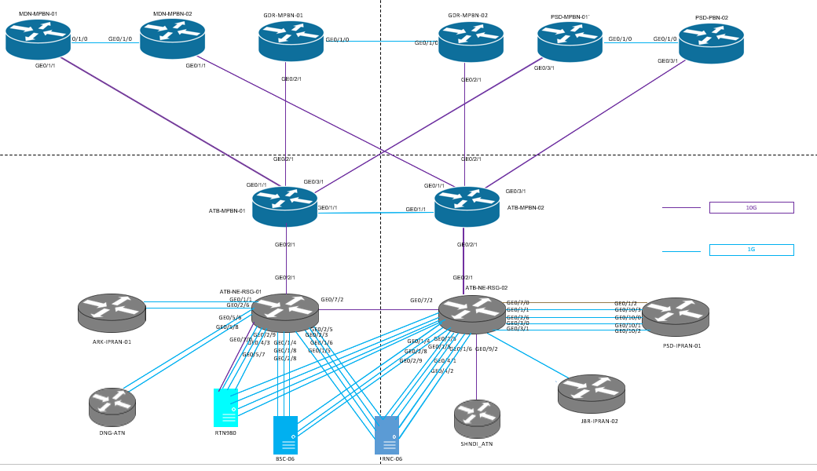
Return

